Search Start
Search Tracker
Systematic Literature Review (SLR) or Literature Review (LR)
Search Start
Authors/creators
Introduction
SLR/LR Scope, timeline, aim. Details, and brief description.

How to use the Systematic Literature Review Search Tracker
"A systematic review attempts to collate all the empirical evidence that fits within predefined criteria to answer a specific research question." (Antman 1992, Oxman 1993)
This excel spread sheet offers a way to plan, organise and retrieve your searches across numerous discipline specific databases. Evidence Based Medicine (EBM) or Evidence Based Practice (EBP) often requires a Systematic Literature Review (SLR).
Follow the instructions on each tab to help you get the best results.
You will NOT be able to replicate exactly the same search over several databases
Use this tool to record exactly how you do your search and what results you retrieved so you are able to go back at a later date and replicate what you have searched.
Research Question, PICO & PRISMA: record your research question on this tab
You may also record your PICO model and PRISMA method (if you are using one).
Search Results Summary: Use this page to summarise or comment on your searches. It can be useful to have a log to share progress with collaborators.
OR
Keep track of all of the database/platform or publisher accounts you hold.
Database tabs: Each tab is for a different database you can change the tabs to suit the database you want there are blank tabs for you to do this.
The databases we have chosen cover Science Medicine and Health.
Supervisor:
You should discuss with your supervisor if you need help with compiling or writing an SLR and if you will need to use a method or model for example PRISMA and PICO.
Take a look at the Learning Development Information for students’ website: https://www.uow.edu.au/student/services/ld/students/index.html.
This site offers seminar series, consultations and resources to help students improve their academic performance – this includes assistance with referencing.
Help
http://www.library.uow
Rachel Lawson Librarian for Science, Medicine and Health Liaison Services | Library | Building 16 University of Wollongong NSW 2522 Australia T +61 2 4221 4625 | F +61 2 4221 4100 |
uow.edu.au | jonesr@uow.edu.au

Google Scholar
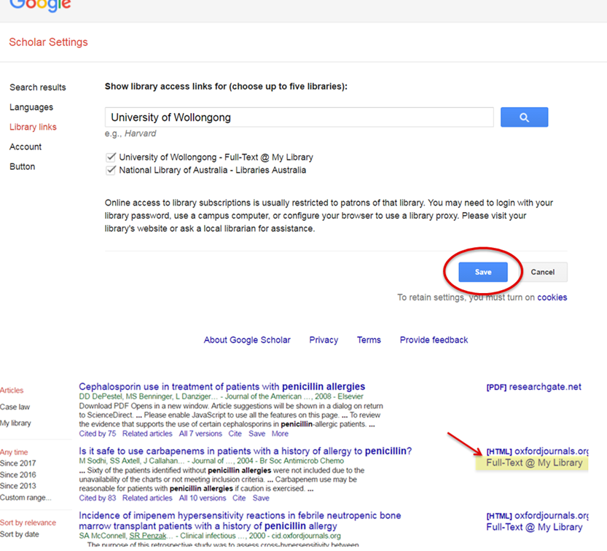
Google Scholar | Search Google for scholarly content only, with links to UOW subscribed fulltext
Date | Search string | Results | Saved as

https://scholar.google.com/intl/en/scholar/help.html
Search Tips https://scholar.google.com/intl/en/scholar/help.html
Google Scholar: Use google Scholar in conjunction with subject specific databases available through UOW Library. Set up Google Scholar Library Links via Scholar Settings to find full text held by UOW. See Google Scholar’s help pages for more information. Also try Google Scholar Advanced Search from the search screen after your have conducted a search.

References
